Sheet1
 |  | Document No. | Issue No. | Issue Date |  | Review and Replace Date |  |  | Authorised By
 |  | GFF009MC | 4 | 23.09.2018 |  | 09.12.2021 |  |  | Magda Shah
 |  | Document Title | Lamb Samosa 40g - Deli Counter
Document amendments reason for change |  | Film Updated |  |  | Page 1 of 1 |  | Previous Issue Date | 05.10.2021 | Uncontrolled copy unless signed original

CLSAC1-B25X1TEB | BOOTHS - DELI |  | LAMB SAMOSA (40g x 25)
STEP 1 |  |  |  |  | STEP 2
 |  |  |  |  | 

Tray: H3H 50 - CLEAR (PKNUT001-07) |  |  |  |  | LAMB SAMOSA COCKTAIL 40g (GFF005R): 40g x 25 units
Film: PP340 AF 340mmx500m (PKPRO001-15)
STEP 3
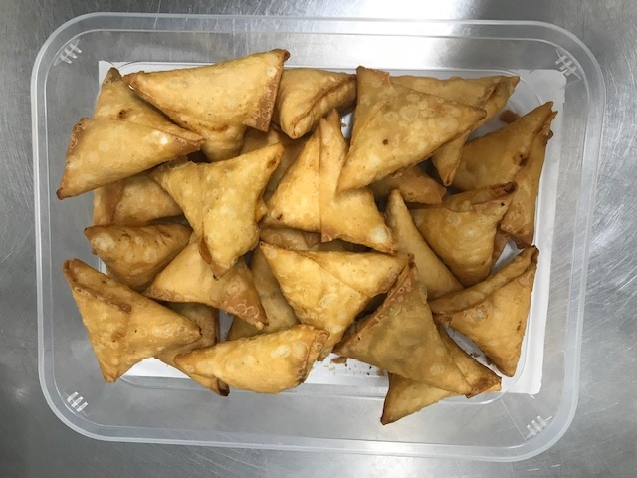

Cook +10days
NON-MAP PACK
Defrost+ 8days

TOTAL WEIGHT: 1000g (25 units)

ALLERGY ALERT: SOYA, WHEAT

